KIK
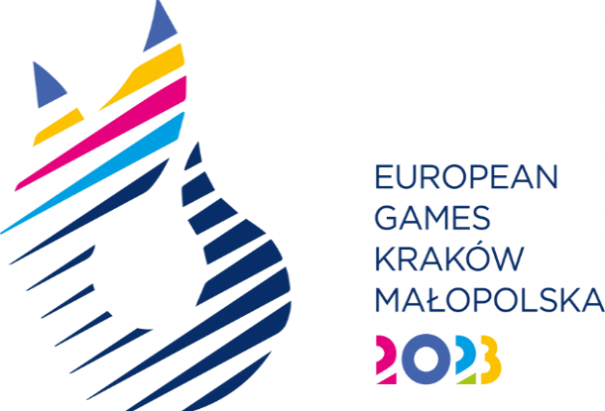
SPORT ENTRY FORM - Kickboxing

National Olympic Committee

NOC Code

# | Registration Number | Preferred Family Name | Preferred Given Name | Date of Birth |  |  | Gender (M/F) | Height (cm) | Weight (kg) | Event* | IF Number
 |  |  |  | DD | MM | YYYY
1
2
3
4
5
6
7
8
9
10
11
12
13
14
15
16

* Please indicate the event where the athlete will participate
Men's Event |  |  | Women's Event
Full Contact – 63,5 kg |  |  | Full Contact – 52 kg
Full Contact – 75 kg |  |  | Full Contact – 60 kg
Full Contact – 86 kg |  |  | Full Contact – 70 kg
Point Fighting -63 kg |  |  | Point Fighting -50 kg
Point Fighting -74 kg |  |  | Point Fighting -60 kg
Point Fighting -84 kg |  |  | Point Fighting -70 kg
Light contact -63 kg |  |  | Light contact -50 kg
Light contact -79 kg |  |  | Light contact -60 kg

