MTI
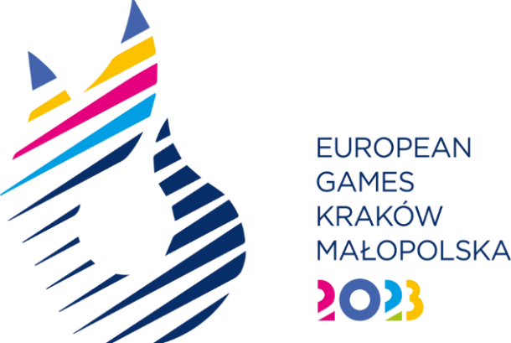
SPORT ENTRY FORM - Muay Thai

National Olympic Committee

NOC Code

# | Registration Number | Preferred Family Name | Preferred Given Name | Date of Birth |  |  | Gender (M/F) | Competition Uniform Size* | Event* | IFMA Membership Number | Type of qualification**
 |  |  |  | DD | MM | YYYY
1
2
3
4
5
6

** Please indicate the event where the athlete will participate |  |  |  |  |  |  |  | * Uniform Size
Men's Event |  |  | Women's Event |  |  |  |  | S
Men's Combat -60kg |  |  | Women's Combat -51kg |  |  |  |  | M
Men's Combat -67kg |  |  | Women's Combat -54kg |  |  |  |  | L
Men's Combat -71kg |  |  | Women's Combat -57kg |  |  |  |  | XL
Men's Combat -81kg |  |  | Women's Combat -60kg |  |  |  |  | 2 XL
Men's Combat -91kg |  |  | Women's Combat -63.5kg

*** Please indicate how the athlete obtained the quota
IFMA Senior European Championships 2022
IFMA Senior World Championships 2022
WMC World Ranking 2022/2023
WMC European Ranking 2022/2023
IFMA EG 2023 Standing
Host Country Place
Universality Place

